Guidance
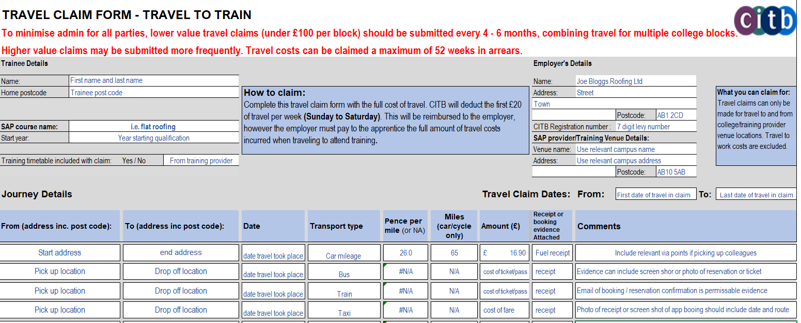

SAP Trainee 1
TRAVEL CLAIM FORM - TRAVEL TO TRAIN

To minimise admin for all parties, lower value travel claims (under £100 per block) should be submitted every 4 - 6 months, combining travel for multiple college blocks.
Higher value claims may be submitted more frequently. Travel costs can be claimed a maximum of 52 weeks in arrears.
Trainee Details |  |  |  |  |  |  | Employer's Details

Name: |  |  |  |  |  |  | Name:
Home postcode |  | How to claim: Complete this travel claim form with the full cost of travel. CITB will deduct the first £20 of travel per week (Sunday to Saturday). This will be reimbursed to the employer, however the employer must pay to the apprentice the full amount of travel costs incurred when traveling to attend training. |  |  |  |  | Address: |  |  |  | What you can claim for: Travel claims can only be made for travel to and from college/training provider venue locations. Travel to work costs are excluded.

 |  |  |  |  |  |  |  |  | Postcode:
SAP course name: |  |  |  |  |  |  | CITB Registration number :
Start year: |  |  |  |  |  |  | SAP provider/Training Venue Details:
 |  |  |  |  |  |  | Venue name:
Training timetable included with claim: Yes / No |  |  |  |  |  |  | Address:
 |  |  |  |  |  |  |  |  | Postcode:

Journey Details |  |  |  |  |  | Travel Claim Dates: |  | From: |  | To:

From (address inc. post code): | To (address inc post code): | Date | Transport type | Pence per mile (or NA) | Miles (car/cycle only) | Amount (£) | Receipt or booking evidence Attached | Comments

 |  |  |  | #N/A

 |  |  |  | #N/A

 |  |  |  | #N/A

 |  |  |  | #N/A

 |  |  |  | #N/A

 |  |  |  | #N/A

 |  |  |  | #N/A

 |  |  |  | #N/A

 |  |  |  | #N/A

 |  |  |  | #N/A
Employer declaration:
Having read and understood the CITB Travel to Train grant Terms and Conditions (found on the CITB website using the following link: Grants Scheme terms and conditions - CITB
I confirm that:
- The information provided in this application is accurate.
- I am authorised to complete and submit this application.
- This application relates to employees of this business and I have their consent to submit this
information.
- The cost of travel will be reimbursed in full to the named trainee.
- No other application for expenses has been submitted in respect of the same course
attendance dates.
- I understand and agree that CITB (or its agents or auditors) reserves the right to carry out
checks and to ensure that this application has been made in accordance with the Travel to
Train grant terms and conditions.
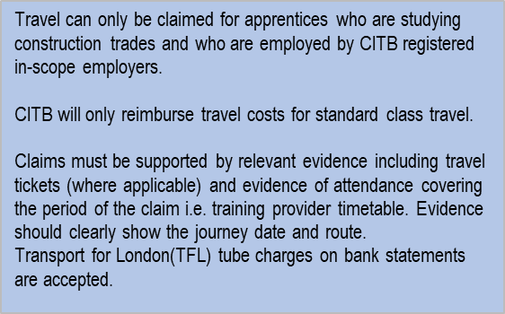
 |  |  |  |  | Total (£) | £-

Name:
Position in company:
Date:

 |  |  |  |  |  |  |  |  |  |  | Version 1.4 April 2026

SAP Trainee 2
TRAVEL CLAIM FORM - TRAVEL TO TRAIN

To minimise admin for all parties, lower value travel claims (under £100 per block) should be submitted every 4 - 6 months, combining travel for multiple college blocks.
Higher value claims may be submitted more frequently. Travel costs can be claimed a maximum of 52 weeks in arrears.
Trainee Details |  |  |  |  |  |  | Employer's Details

Name: |  |  |  |  |  |  | Name:
Home postcode |  | How to claim: Complete this travel claim form with the full cost of travel. CITB will deduct the first £20 of travel per week (Sunday to Saturday). This will be reimbursed to the employer, however the employer must pay to the apprentice the full amount of travel costs incurred when traveling to attend training. |  |  |  |  | Address: |  |  |  | What you can claim for: Travel claims can only be made for travel to and from college/training provider venue locations. Travel to work costs are excluded.

 |  |  |  |  |  |  |  |  | Postcode:
SAP course name: |  |  |  |  |  |  | CITB Registration number :
Start year: |  |  |  |  |  |  | SAP provider/Training Venue Details:
 |  |  |  |  |  |  | Venue name:
Training timetable included with claim: Yes / No |  |  |  |  |  |  | Address:
 |  |  |  |  |  |  |  |  | Postcode:

Journey Details |  |  |  |  |  | Travel Claim Dates: |  | From: |  | To:

From (address inc. post code): | To (address inc post code): | Date | Transport type | Pence per mile (or NA) | Miles (car/cycle only) | Amount (£) | Receipt or booking evidence Attached | Comments

 |  |  |  | #N/A

 |  |  |  | #N/A

 |  |  |  | #N/A

 |  |  |  | #N/A

 |  |  |  | #N/A

 |  |  |  | #N/A

 |  |  |  | #N/A

 |  |  |  | #N/A

 |  |  |  | #N/A

 |  |  |  | #N/A
Employer declaration:
Having read and understood the CITB Travel to Train grant Terms and Conditions (found on the CITB website using the following link: Grants Scheme terms and conditions - CITB
I confirm that:
- The information provided in this application is accurate.
- I am authorised to complete and submit this application.
- This application relates to employees of this business and I have their consent to submit this
information.
- The cost of travel will be reimbursed in full to the named trainee.
- No other application for expenses has been submitted in respect of the same course
attendance dates.
- I understand and agree that CITB (or its agents or auditors) reserves the right to carry out
checks and to ensure that this application has been made in accordance with the Travel to
Train grant terms and conditions.
 |  |  |  |  | Total (£) | £-

Name:
Position in company:
Date:

 |  |  |  |  |  |  |  |  |  |  | Version 1.4 April 2026

SAP Trainee 3
TRAVEL CLAIM FORM - TRAVEL TO TRAIN

To minimise admin for all parties, lower value travel claims (under £100 per block) should be submitted every 4 - 6 months, combining travel for multiple college blocks.
Higher value claims may be submitted more frequently. Travel costs can be claimed a maximum of 52 weeks in arrears.
Trainee Details |  |  |  |  |  |  | Employer's Details

Name: |  |  |  |  |  |  | Name:
Home postcode |  | How to claim: Complete this travel claim form with the full cost of travel. CITB will deduct the first £20 of travel per week (Sunday to Saturday). This will be reimbursed to the employer, however the employer must pay to the apprentice the full amount of travel costs incurred when traveling to attend training. |  |  |  |  | Address: |  |  |  | What you can claim for: Travel claims can only be made for travel to and from college/training provider venue locations. Travel to work costs are excluded.

 |  |  |  |  |  |  |  |  | Postcode:
SAP course name: |  |  |  |  |  |  | CITB Registration number :
Start year: |  |  |  |  |  |  | SAP provider/Training Venue Details:
 |  |  |  |  |  |  | Venue name:
Training timetable included with claim: Yes / No |  |  |  |  |  |  | Address:
 |  |  |  |  |  |  |  |  | Postcode:

Journey Details |  |  |  |  |  | Travel Claim Dates: |  | From: |  | To:

From (address inc. post code): | To (address inc post code): | Date | Transport type | Pence per mile (or NA) | Miles (car/cycle only) | Amount (£) | Receipt or booking evidence Attached | Comments

 |  |  |  | #N/A

 |  |  |  | #N/A

 |  |  |  | #N/A

 |  |  |  | #N/A

 |  |  |  | #N/A

 |  |  |  | #N/A

 |  |  |  | #N/A

 |  |  |  | #N/A

 |  |  |  | #N/A

 |  |  |  | #N/A
Employer declaration:
Having read and understood the CITB Travel to Train grant Terms and Conditions (found on the CITB website using the following link: Grants Scheme terms and conditions - CITB
I confirm that:
- The information provided in this application is accurate.
- I am authorised to complete and submit this application.
- This application relates to employees of this business and I have their consent to submit this
information.
- The cost of travel will be reimbursed in full to the named trainee.
- No other application for expenses has been submitted in respect of the same course
attendance dates.
- I understand and agree that CITB (or its agents or auditors) reserves the right to carry out
checks and to ensure that this application has been made in accordance with the Travel to
Train grant terms and conditions.
 |  |  |  |  | Total (£) | £-

Name:
Position in company:
Date:

 |  |  |  |  |  |  |  |  |  |  | Version 1.4 April 2026

SAP Trainee 4
TRAVEL CLAIM FORM - TRAVEL TO TRAIN

To minimise admin for all parties, lower value travel claims (under £100 per block) should be submitted every 4 - 6 months, combining travel for multiple college blocks.
Higher value claims may be submitted more frequently. Travel costs can be claimed a maximum of 52 weeks in arrears.
Trainee Details |  |  |  |  |  |  | Employer's Details

Name: |  |  |  |  |  |  | Name:
Home postcode |  | How to claim: Complete this travel claim form with the full cost of travel. CITB will deduct the first £20 of travel per week (Sunday to Saturday). This will be reimbursed to the employer, however the employer must pay to the apprentice the full amount of travel costs incurred when traveling to attend training. |  |  |  |  | Address: |  |  |  | What you can claim for: Travel claims can only be made for travel to and from college/training provider venue locations. Travel to work costs are excluded.

 |  |  |  |  |  |  |  |  | Postcode:
SAP course name: |  |  |  |  |  |  | CITB Registration number :
Start year: |  |  |  |  |  |  | SAP provider/Training Venue Details:
 |  |  |  |  |  |  | Venue name:
Training timetable included with claim: Yes / No |  |  |  |  |  |  | Address:
 |  |  |  |  |  |  |  |  | Postcode:

Journey Details |  |  |  |  |  | Travel Claim Dates: |  | From: |  | To:

From (address inc. post code): | To (address inc post code): | Date | Transport type | Pence per mile (or NA) | Miles (car/cycle only) | Amount (£) | Receipt or booking evidence Attached | Comments

 |  |  |  | #N/A

 |  |  |  | #N/A

 |  |  |  | #N/A

 |  |  |  | #N/A

 |  |  |  | #N/A

 |  |  |  | #N/A

 |  |  |  | #N/A

 |  |  |  | #N/A

 |  |  |  | #N/A

 |  |  |  | #N/A
Employer declaration:
Having read and understood the CITB Travel to Train grant Terms and Conditions (found on the CITB website using the following link: Grants Scheme terms and conditions - CITB
I confirm that:
- The information provided in this application is accurate.
- I am authorised to complete and submit this application.
- This application relates to employees of this business and I have their consent to submit this
information.
- The cost of travel will be reimbursed in full to the named trainee.
- No other application for expenses has been submitted in respect of the same course
attendance dates.
- I understand and agree that CITB (or its agents or auditors) reserves the right to carry out
checks and to ensure that this application has been made in accordance with the Travel to
Train grant terms and conditions.
 |  |  |  |  | Total (£) | £-

Name:
Position in company:
Date:

 |  |  |  |  |  |  |  |  |  |  | Version 1.4 April 2026

SAP Trainee 5
TRAVEL CLAIM FORM - TRAVEL TO TRAIN

To minimise admin for all parties, lower value travel claims (under £100 per block) should be submitted every 4 - 6 months, combining travel for multiple college blocks.
Higher value claims may be submitted more frequently. Travel costs can be claimed a maximum of 52 weeks in arrears.
Trainee Details |  |  |  |  |  |  | Employer's Details

Name: |  |  |  |  |  |  | Name:
Home postcode |  | How to claim: Complete this travel claim form with the full cost of travel. CITB will deduct the first £20 of travel per week (Sunday to Saturday). This will be reimbursed to the employer, however the employer must pay to the apprentice the full amount of travel costs incurred when traveling to attend training. |  |  |  |  | Address: |  |  |  | What you can claim for: Travel claims can only be made for travel to and from college/training provider venue locations. Travel to work costs are excluded.

 |  |  |  |  |  |  |  |  | Postcode:
SAP course name: |  |  |  |  |  |  | CITB Registration number :
Start year: |  |  |  |  |  |  | SAP provider/Training Venue Details:
 |  |  |  |  |  |  | Venue name:
Training timetable included with claim: Yes / No |  |  |  |  |  |  | Address:
 |  |  |  |  |  |  |  |  | Postcode:

Journey Details |  |  |  |  |  | Travel Claim Dates: |  | From: |  | To:

From (address inc. post code): | To (address inc post code): | Date | Transport type | Pence per mile (or NA) | Miles (car/cycle only) | Amount (£) | Receipt or booking evidence Attached | Comments

 |  |  |  | #N/A

 |  |  |  | #N/A

 |  |  |  | #N/A

 |  |  |  | #N/A

 |  |  |  | #N/A

 |  |  |  | #N/A

 |  |  |  | #N/A

 |  |  |  | #N/A

 |  |  |  | #N/A

 |  |  |  | #N/A
Employer declaration:
Having read and understood the CITB Travel to Train grant Terms and Conditions (found on the CITB website using the following link: Grants Scheme terms and conditions - CITB
I confirm that:
- The information provided in this application is accurate.
- I am authorised to complete and submit this application.
- This application relates to employees of this business and I have their consent to submit this
information.
- The cost of travel will be reimbursed in full to the named trainee.
- No other application for expenses has been submitted in respect of the same course
attendance dates.
- I understand and agree that CITB (or its agents or auditors) reserves the right to carry out
checks and to ensure that this application has been made in accordance with the Travel to
Train grant terms and conditions.
 |  |  |  |  | Total (£) | £-

Name:
Position in company:
Date:

 |  |  |  |  |  |  |  |  |  |  | Version 1.4 April 2026

